GLSN of 2015_method #3
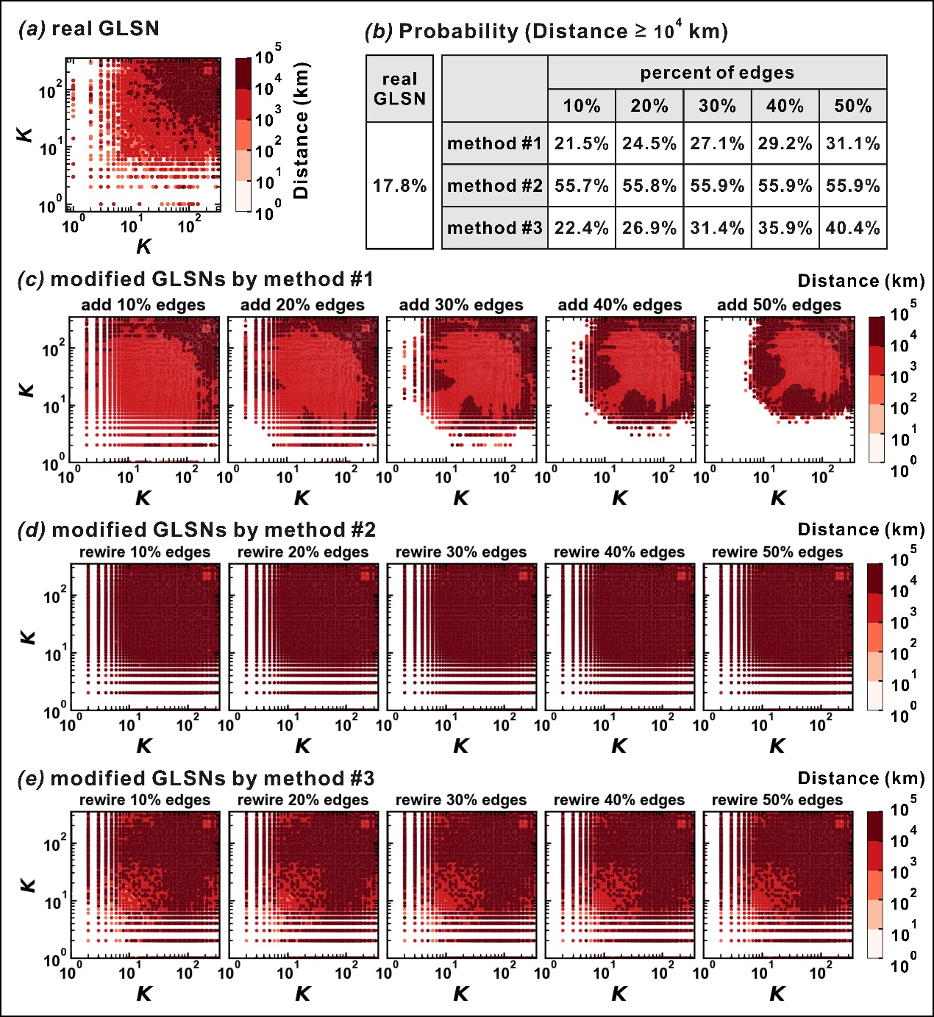
real GLSN | percent of edges: 10% | percent of edges: 20% | percent of edges: 30% | percent of edges: 40% | percent of edges: 50%
17.8 | 22.4 | 26.9 | 31.4 | 35.9 | 40.4

